VCDLLP
Status | Project | Validity | Invoice # | Stage | Amount | GST | Date Raised | FY | Amount to be Received post Deductions | Amount Received | Money Received On | Reminder Sent on | Amount Pending
 | Mtech Hyd Google RC Design |  | 24003 | Travel Invoice | 24,509 |  | 31st March 2025 | 2024-25 | 22,058
completed | Swiggy- Bundl Technologies |  | 100201 | Travel Invoice | 129,891 | 0 | 1st March, 2019 | 2018-19 | 129,891 | 129,891 | 29th March, 2019
completed | Swiggy- Bundl Technologies |  | 100202 | Advance | 250,000 | 45,000 | 1st March, 2019 | 2018-19 | 270,000 | 265,500 | 29th March, 2019
completed | Swiggy- Bundl Technologies |  | 100205 | Data Collection Stage | 125,000 | 22,500 | 1st April, 2019 | 2019-20 | 135,000 | 405,000 | 3rd May, 2019
completed | Swiggy- Bundl Technologies |  | 100205 | Data Analysis Stage | 125,000 | 22,500 | 1st April, 2019 | 2019-20 | 135,000 | 276750 | 6th Aug, 2019
completed | Swiggy- Bundl Technologies |  | 100205 | Projection Documentation | 225,000 | 40,500 | 1st April, 2019 | 2019-20 | 243,000 | included in P14 | 6th Aug, 2019
completed | Swiggy- Bundl Technologies |  | 100205 | Timeline Projections | 80,000 | 14,400 | 1st April, 2019 | 2019-20 | 86,400 | included in P14 | 6th Aug, 2019
completed | Swiggy- Bundl Technologies |  | 100205 | Fine-tuning with Operations | 35,000 | 6,300 | 1st April, 2019 | 2019-20 | 37,800 | included in P14 | 6th Aug, 2019
completed | Swiggy- Bundl Technologies |  | 100205 | Final Model Submission | 35,000 | 6,300 | 1st April, 2019 | 2019-20 | 37,800 | included in P14 | 6th Aug, 2019
completed | ITC Narmada- Pan Chinese |  | 100208 | On signing the addendum | 100,000 | 18,000 | 3rd April, 2019 | 2019-20 | 108,000 | 108,000 | 1st May, 2019
completed | ITC Narmada- Pan Chinese |  | 100208 | On finalizing Concept and Schematic | 200,000 | 36,000 | 3rd April, 2019 | 2019-20 | 216,000 | 216,000 | 1st May, 2019
completed | ITC Narmada- Pan Chinese |  | 100209 | Design Development | 100,000 | 18,000 | 1st Aug, 2019 | 2019-20 | 108,000 | 108,000 | 12th June, 2019
completed | ITC Narmada- Pan Chinese |  | 100210 | Tender Documenation & Elevation | 100,000 | 18,000 | 1st Aug, 2019 | 2019-20 | 108,000 | 108,000 | 31st Aug, 2019
completed | The Oberoi Bangalore | 10th June 2019 to 9th Dec 2019 | 100213 | Review of kitchen layout plan, value addition, and optimization in design, suggestions and modifications wherever required. | 200,000 | 36,000 | 2nd Aug, 2019 | 2019-20 | 216,000 | 216,000 | 5th Sep, 2019
completed | The Oberoi Bangalore | 10th June 2019 to 9th Dec 2019 | 100213 | Suggest equipment vendors and historical performance analysis of selected vendors | 50,000 | 9,000 | 2nd Aug, 2019 | 2019-20 | 54,000 | 54,000 | 5th Sep, 2019
completed | The Oberoi Bangalore | 10th June 2019 to 9th Dec 2019 | 100213 | Costing and Budget of all equipments, review and recommendations for obtaining Executive Chairman approvals | 50,000 | 9,000 | 2nd Aug, 2019 | 2019-20 | 54,000 | 54,000 | 5th Sep, 2019
completed | The Oberoi Bangalore | 10th June 2019 to 9th Dec 2019 | 100213 | Assisting in coordinating with MEP consultants for designing kitchen related services | 100,000 | 18,000 | 2nd Aug, 2019 | 2019-20 | 108,000 | 108,000 | 5th Sep, 2019
completed | TOBL Rim Naam | 10th June 2019 to 9th Feb 2020 | 100214 | Upon Commencement of Services | 90,000 | 16,200 | 2nd Aug, 2019 | 2019-20 | 97,200 | 97,200 | 5th Sep, 2019
completed | The Oberoi Bangalore | 10th June 2019 to 9th Dec 2019 | 100216 | Visit the Unit and review with General Manager and operating team before concluding the layout plans and recommending the equipment suppliers. | 50,000 | 9,000 | 15th Nov, 2019 | 2019-20 | 54,000 | 54,000 | 22nd Jan, 2020
completed | The Oberoi Bangalore | 10th June 2019 to 9th Dec 2019 | 100216 | Visit and inspection of various equipment manufacturers factories for quality parameters and certification for dispatch | 25,000 | 4,500 | 15th Nov, 2019 | 2019-20 | 27,000 | 27,000 | 22nd Jan, 2020
completed | TOBL Rim Naam | 10th June 2019 to 9th Feb 2020 | 100219 | 1.1 Conceptualization Stage | 60,000 | 10,800 | 3rd Dec, 2019 | 2019-20 | 64,800 | 64,800 | 22nd Jan, 2020
completed | TOBL Rim Naam | 10th June 2019 to 9th Feb 2020 | 100219 | 1.2 Schematic Drawing Stage | 60,000 | 10,800 | 3rd Dec, 2019 | 2019-20 | 64,800 | 64,800 | 22nd Jan, 2020 |  |  | #REF!
Competed | HYUNDAI MOTOR INDIA LIMITED - MAIN DINING |  | 2230004 | Tender Documentation | 50,000 | 9,000 | 6th May, 2022 | 2022-23 | 54,000
Competed | Claridges Hotel | 13th June 2022 to 12th Dec 2022 | 2230005 | Upon Commencement of Services 2,00,000 | 200000 | 36,000 | 13th June 2022 | 2022-23 | 216,000 | 216000 | The Oberoi Mumbai - Fenix + Vetro
Competed | The Oberoi Mumbai - Fenix + Vetro | 10th Dec 2021 to 5th Dec 2022 | 2230006 | Design Development Stage | 140,000 | 25,200 | 2nd July, 2022 | 2022-23 | 151,200
 | The Oberoi Rajgarh | 6th Dec 2021 to 5th April 2025 | 2230007 | Conceptualization Stage | 260,000 | 46,800 | 2nd July, 2022 | 2022-23 | 280,800
Competed | HYUNDAI MOTOR INDIA LIMITED - EXTENSION MAIN DINING |  | 2230008 | Contract Extension | 50,000 | 9,000 | 2nd July 2022 | 2022-23 | 54,000 | 58000 | 27th June, 2022
Competed | HYUNDAI MOTOR INDIA LIMITED - EXTENSION MAIN DINING |  | 2230009 | Rework- Conceptual Design & Area Zoning | 150,000 | 27,000 | 2nd July 2022 | 2022-23 | 162,000
Competed | Claridges Hotel | 13th June 2022 to 12th Dec 2022 | 2230010 | 3.1 Conceptual Design 2,50,000 | 250000 | 45,000 | 2nd July 2022 | 2022-23 | 270,000
Competed | KA Hospitality "J" Restaurant | 10th July 2022 to 9th March 2023 | 2230012 | Upon Commencement of Services | 240000 | 43,200 | The Oberoi Mumbai - Fenix + Vetro | 2022-23 | 259,200 | 259,200
Competed | KA Hospitality "J" Restaurant | 10th July 2022 to 9th March 2023 | 2230014 | Conceptual Design | 90000 | 16,200 | 25th June, 2022 | 2022-23 | 97,200 | 97,200 | 6th Sep, 2022
Competed | KA Hospitality "J" Restaurant | 10th July 2022 to 9th March 2023 | 2230016 | Schematic Design | 90000 | 16,200 | 3rd Aug, 2022 | 2022-23 | 97,200 | 97,200 | 6th Sep, 2022
Competed | KA Hospitality "J" Restaurant | 10th July 2022 to 9th March 2023 | 2230017 | Design Development | 90000 | 16,200 | 20th Aug, 2022 | 2022-23 | 97,200 | 97,200
Competed | KA Hospitality "J" Restaurant | 10th July 2022 to 9th March 2023 | 2230017 | Tender Documentation | 90000 | 16,200 | 20th Aug, 2022 | 2022-23 | 97,200 | 97,200
Competed | The Oberoi Mumbai - Fenix + Vetro | 11th Dec 2021 to 5th Dec 2022 | 2230018 | Equipment Evaluation and Shop Drawing Review | 70,000 | 12,600 | 22nd Aug 2022 | 2022-23 | 75,600
 | The Oberoi Rajgarh | 6th Dec 2021 to 5th April 2025 | 2230019 | Schematic Drawing Stage | 260,000 | 46,800 | 22nd Aug 2022 | 2022-23 | 280,800
 | The Oberoi Rajgarh | 6th Dec 2021 to 5th April 2025 | 2230019 | Design Development Stage - 80% of 520000 | 416,000 | 74,880 | 22nd Aug 2022 | 2022-23 | 449,280
Competed | HYUNDAI MOTOR INDIA LIMITED - EXTENSION MAIN DINING |  | 2230020 | Rework – Equipment Layout and Detailed Design | 100,000 | 18,000 | 6th Sep, 2022 | 2022-23 | 108,000
 | Maisang- Guwahati Enhancement | May 2022 to May 2024 | 2230021 | CONTRACT EXTENSION FEE | 300,000 | 54,000 | 12th Sep, 2022 | 2022-23 | 324,000
 | Maisang - Arunachal Pradesh Enhancement | May 2022 to May 2024 | 2230022 | CONTRACT EXTENSION FEE – TWO YEARS | 250,000 | 45,000 | 12th Sep, 2022 | 2022-23 | 270,000
Competed | Claridges Hotel | 13th June 2022 to 12th Dec 2022 | 2230024 | 3.2 Schematic Design 75% of 2,50,000 | 185000 | 33,300 | 16th Sep, 2022 | 2022-23 | 199,800
Competed | Claridges Hotel |  | 2230025 | 3.2 Schematic Design 25% of 2,50,000 | 65000 |  | 21st Sep, 2022 | 2022-23
Competed | Claridges Hotel | 13th June 2022 to 12th Dec 2022 | 2230025 | 3.3 Design Development 50% of 2,50,000 | 125000 | 22,500 | 21st Sep, 2022 | 2022-23 | 135,000
Competed | Claridges Hotel |  | 2230026 | 3.3 Design Development 50% of 2,50,000 | 125000 | 22,500 | 1st Nov, 2022 | 2022-23 | 135,000
 | Maisang- Guwahati Enhancement | May 2022 to May 2024 | 2230027 | HOSPITALITY FACILITY DESIGN ADVISORY (PRO-RATED QUATERLY) May 2022 to July 2022) | 75,000 | 13,500 | 1st Nov, 2022 | 2022-23 | 81,000
 | Maisang- Guwahati Enhancement | May 2022 to May 2024 | 2230027 | HOSPITALITY FACILITY DESIGN ADVISORY (PRO-RATED QUATERLY) Aug 2022 to Oct 2022 | 75,000 | 13,500 | 1st Nov, 2022 | 2022-23 | 81,000
 | Maisang - Arunachal Pradesh Enhancement | May 2022 to May 2024 | 2230028 | HOSPITALITY FACILITY DESIGN ADVISORY (PRO-RATED QUATERLY) May 2022 to July 2022) | 50,000 | 9,000 | 1st Nov, 2022 | 2022-23 | 54,000
 | Maisang - Arunachal Pradesh Enhancement | May 2022 to May 2024 | 2230028 | HOSPITALITY FACILITY DESIGN ADVISORY (PRO-RATED QUATERLY) Aug 2022 to Oct 2022 | 50,000 | 9,000 | 1st Nov, 2022 | 2022-23 | 54,000
 | Serendipity Arts - Complete Design Services | 7th Nov 2022 to 6th May 2026 | 2230029 | Mobilisation advance on commencement | 170,000 | 30,600 | 21stNov, 2022 | 2022-23 | 183,600 | 183,600 | 15th Dec, 2022
 | Serendipity Arts - Advisory Services for Leased Out Areas | 7th Nov 2022 to 6th May 2026 | 2230029 | Mobilisation advance on commencement | 80,000 | 14,400 | 21stNov, 2022 | 2022-23 | 86,400 | 86,400 | 15th Dec, 2022
Competed | The Oberoi Mumbai - Fenix + Vetro | 12th Dec 2021 to 5th Dec 2022 | 2230030 | Site Coordination | 70,000 | 12,600 | 8th Dec 2022 | 2022-23 | 75,600
Competed | Claridges Hotel | 13th June 2022 to 12th Dec 2022 | 2230031 | 3.4 Tender Documentation 1,50,000 | 150000 | 27,000 | 8th Dec, 2022 | 2022-23 | 162,000
 | Porbandar Palace Phase 1 | 12th Dec 2022 to 7th Dec 2023 | 2230033 | Upon Commencement of Services | 80,000 |  | 16th Dec, 2022 | 2022-23
 | The Oberoi Rajgarh | 6th Dec 2021 to 5th April 2025 | 2230036 | Equipment Finalization and Tender Documentation | 520,000 | 93,600 | 17th Jan, 2023 | 2022-23 | 561,600
 | The Oberoi Rajgarh | 6th Dec 2021 to 5th April 2025 | 2230036 | Design Development Stage - 20% of 520000 | 104,000 | 18,720 | 17th Jan, 2023 | 2022-23 | 112,320
 | Postcard Kanha | 3rd Feb 2023 to 2nd Aug 2024 | 2230037 | Upon Commencement of Services | 187,500 | 33,750 | 1st Feb 2023 to 30th July 2025 | 2022-23 | 202,500 | 202,500 | 1st Feb 2023 to 30th July 2025
 | Marriott Shoghi | 1st Feb 2023 to 30th July 2025 | 2230038 | Upon Commencement of Services | 560000 | 100800 | 7th Feb, 2023 | 2022-23 | 604800
 | Postcard Ranthambore | 23rd Feb 2023 to 22nd Feb 2025 | 2230039 | Upon Commencement of Services | 221250 | 39825 | 1st March, 2023 | 2022-23 | 238950
 | Maisang - Arunachal Pradesh Enhancement | May 2022 to May 2024 | 2324001 | HOSPITALITY FACILITY DESIGN ADVISORY (PRO-RATED QUATERLY) Nov 2022 to Jan 2023) | 50,000 | 9,000 | 1st | 2023-24 | 54,000
 | Maisang - Arunachal Pradesh Enhancement | May 2022 to May 2024 | 2324001 | HOSPITALITY FACILITY DESIGN ADVISORY (PRO-RATED QUATERLY) Feb 2023 to April 2023 | 50,000 | 9,000 | 1st | 2023-24 | 54,000
 | Maisang- Guwahati Enhancement | May 2022 to May 2024 | 2324002 | HOSPITALITY FACILITY DESIGN ADVISORY (PRO-RATED QUATERLY) Nov 2022 to Jan 2023) | 75,000 | 13,500 | 1st | 2023-24 | 81,000
 | Maisang- Guwahati Enhancement | May 2022 to May 2024 | 2324002 | HOSPITALITY FACILITY DESIGN ADVISORY (PRO-RATED QUATERLY) Feb 2023 to April 2023 | 75,000 | 13,500 | 1st | 2023-24 | 81,000
completed | Claridges Hotel | 13th June 2022 to 12th Dec 2022 | 2324003 | 3.5 Tender Evaluation 50,000 | 50,000 | 9,000 | 1st | 2023-24 | 54,000
completed | Claridges Hotel | 13th June 2022 to 12th Dec 2022 | 2324003 | 3.6 Services Provided during Construction 50,000 | 50,000 | 9,000 | 1st | 2023-24 | 54,000
 | Maisang - Arunachal Pradesh Enhancement | May 2022 to May 2024 | 2324004 | CONCEPT DESIGN ADDITIONAL AREAS + TWEAKS IN CURRENT DESIGN | 250,000 | 45,000 | 1st | 2023-24 | 270,000
 | Maisang - Arunachal Pradesh Enhancement | May 2022 to May 2024 | 2324004 | SCHEMATIC DESIGN ADDITIONAL AREAS + TWEAKS IN CURRENT DESIGN | 250,000 | 45,000 | 1st | 2023-24 | 270,000
 | Maisang - Arunachal Pradesh Enhancement | May 2022 to May 2024 | 2324004 | DETAIL DESIGN – ADDITIONAL AREAS + TWEAKS IN CURRENT DESIGN | 350,000 | 63,000 | 1st | 2023-24 | 378,000
 | Porbandar Palace Phase 1 | 12th Dec 2022 to 7th Dec 2023 | 2324005 | Conceptual Design | 160,000 | 28,800 | 4th April, 2023 | 2023-24
 | Porbandar Palace Phase 2 | 7th April 2023 to 6th Oct 2024 | 2324006 | Upon Commencement of Services | 80,000 | 14,400 | 14th April, 2023 | 2023-24
 | DLF Club 4 | 23rd Oct 2023 to 22nd Oct 2026 | 2425002 | Schematic Design | 303,625 |  | 9th April 2024 | 2024-25
 | Asian Paints Nilaya Mumbai Comorin | 30th Jan 2024 to 31st Aug 2024 | 2425003 | 3.2 Schematic Design | 240000 |  | 9th April 2024 | 2024-25
 | Radisson Blu Kolkatta DS Group | 26th Feb 2024 to 11th Aug 2026 | 2425006 | Conceptual Design -80% of 400000 | 320,000 |  | 25th April 2024 | 2024-25
 | Asian Paints Nilaya Mumbai Comorin | 30th Jan 2024 to 31st Aug 2024 | 2425008 | 3.3 Design Development | 280000 |  | 1st May 2024 | 2024-25
...
 |  |  |  |  |  |  |  | FY | Amount to be Received post Deductions | Amount Received | Money Received On | Reminder Sent on | Amount Pending
 |  |  |  |  |  |  |  | 2026-27 | 91,800
 |  |  |  |  |  |  |  | 2026-27 | 302400
 |  |  |  |  |  |  |  | 2026-27 | 151200
 |  |  |  |  |  |  |  | 2026-27 | 151200
 |  |  |  |  |  |  |  | 2026-27 | 151200
 |  |  |  |  |  |  |  | 2026-27
 |  |  |  |  |  |  |  | 2026-27
 |  |  |  |  |  |  |  | 2026-27
 |  |  |  |  |  |  |  | 2026-27
 |  |  |  |  |  |  |  | 2026-27
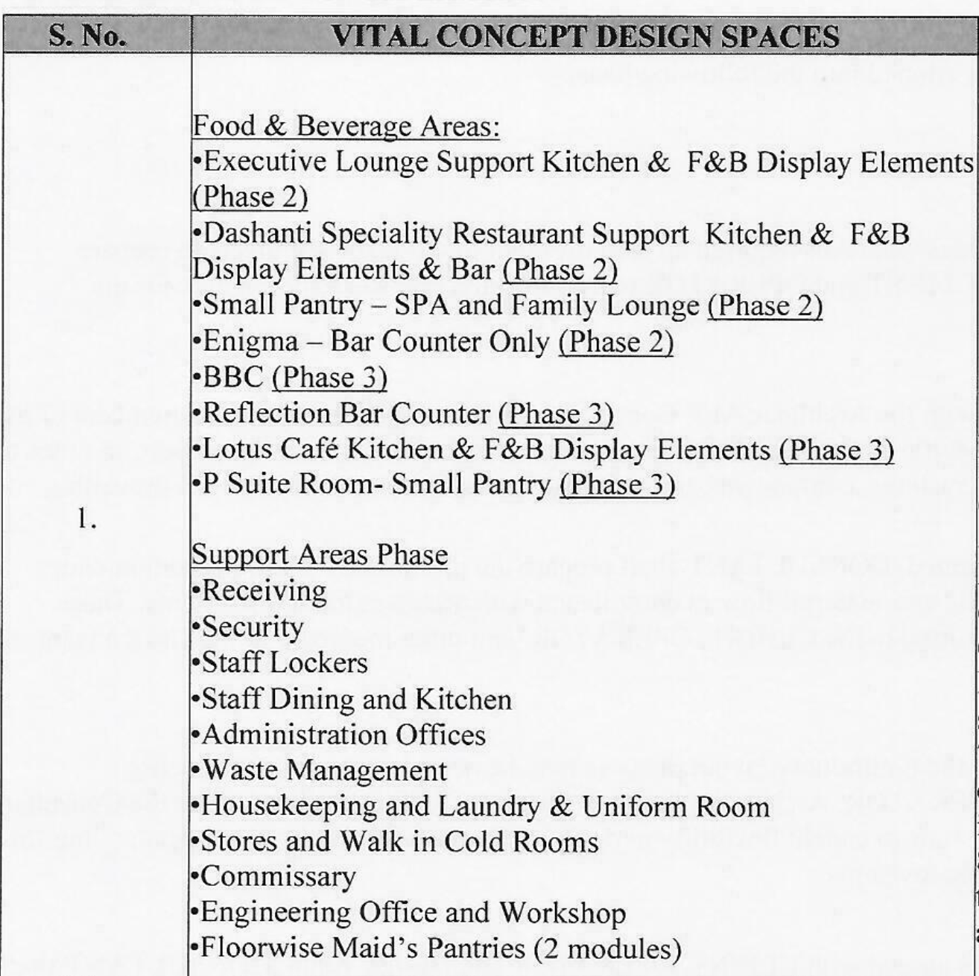
 |  |  |  |  |  |  |  | 2026-27
 |  |  |  |  |  |  |  | 2026-27 | 275,400
 |  |  |  |  |  |  |  | 2026-27 | 275,400
 |  |  |  |  |  |  |  | 2026-27 | 604800
 |  |  |  |  |  |  |  | 2026-27 | 159300
 |  |  |  |  |  |  |  | 2026-27 | 79650
 |  |  |  |  |  |  |  | 2028-29
 |  |  |  |  |  |  |  | 2028-29
 |  |  |  |  |  |  |  | 2028-29
 |  |  |  |  |  |  |  | 2026-27 | 79650
 |  |  |  |  |  |  |  | 2026-27
 |  |  |  |  |  |  |  | 2028-29
 |  |  |  |  |  |  |  | 2028-29
 |  |  |  |  |  |  |  | 2028-29
 |  |  |  |  |  |  |  | 2026-27
 |  |  |  |  |  |  |  | 2026-27
 |  |  |  |  |  |  |  | 2026-27
 |  |  |  |  |  |  |  | 2026-27
 |  |  |  |  |  |  |  | 2026-27
 |  |  |  |  |  |  |  | 2028-29
 |  |  |  |  |  |  |  | 2026-27
 |  |  |  |  |  |  |  | 2026-27 | 162,000 |  |  | not clear
 |  |  |  |  |  |  |  | 2026-27
 |  |  |  |  |  |  |  | 2026-27 | 86,400 |  |  | not clear
 |  |  |  |  |  |  |  | 2026-27 | 86,400 |  |  | not clear
 |  |  |  |  |  |  |  | 2026-27
 |  |  |  |  |  |  |  | 2026-27 | 75,600 |  |  | not clear
 |  |  |  |  |  |  |  | 2026-27
 |  |  |  |  |  |  |  | 2026-27 | 172,800 |  |  | not clear
 |  |  |  |  |  |  |  | 2026-27 | 172,800 |  |  | not clear
 |  |  |  |  |  |  |  | 2026-27 | 270,000 |  |  | not clear
 |  |  |  |  |  |  |  | 2026-27 | 378,000 |  |  | not clear
 |  |  |  |  |  |  |  | 2026-27 | 67,500 |  |  | not clear
 |  |  |  |  |  |  |  | 2026-27 | 67,500 |  |  | not clear
 |  |  |  |  |  |  |  | 2026-27 | 275,400
 |  |  |  |  |  |  |  | 2026-27
 |  |  |  |  |  |  |  | 2026-27 | 280,800 |  |  | not clear
 |  |  |  |  |  |  |  | 2026-27 | 140,400 |  |  | not clear
 |  |  |  |  |  |  |  | 2026-27
 |  |  |  |  |  |  |  |  | 105,300 |  |  | not clear
 |  |  |  |  |  |  |  | 2026-27 | 140,400 |  |  | not clear
 |  |  |  |  |  |  |  | 2026-27 | 97,200 |  |  | not clear
 |  |  |  |  |  |  |  | 2026-27 | 72,900 |  |  | not clear
 |  |  |  |  |  |  |  | 2026-27 | 72,900 |  |  | not clear
 |  |  |  |  |  |  |  | 2028-29
 |  |  |  |  |  |  |  | 2028-29
 |  |  |  |  |  |  |  | 2028-29
 |  |  |  |  |  |  |  | 2028-29
 |  |  |  |  |  |  |  | 2026-27 | 56,506 |  |  | not clear
 |  |  |  |  |  |  |  | 2026-27 | 356,400 | 2025-26 |  | not clear
 |  |  |  |  |  |  |  | 2026-27 | 270,000 |  |  | not clear
 |  |  |  |  |  |  |  | 2026-27 | 270,000 |  |  | not clear
 |  |  |  |  |  |  |  | 2026-27 | 135,000 |  |  | not clear
 |  |  |  |  |  |  |  | 2026-27 | 604,800 |  |  | not clear
 |  |  |  |  |  |  |  | 2028-29
 |  |  |  |  |  |  |  | 2028-29
...

